Cover Sheet
Top Level Eng Specification |  | CMD-G.L00.00.C aprevo TLIF-C Implant, Rev 15 |  |  |  |  |  | Inspection Record # | (XXXX) PO # Lot # Final Insp

Part # |  | {{Item 1}} | {{Item 2}} | Customer Lot # | {{Lot Number}} |  |  | Total Part Qty | {{Total Quantity}}
 |  | {{Item 3}} | {{Item 4}}
 |  | {{Item 5}} | {{Item 6}}
 |  | {{Item 7}} | {{Item 8}}
 |  | {{Item 9}} | {{Item 10}}
 |  | {{Item 11}} | {{Item 12}}
 |  | {{Item 13}} | {{Item 14}}
 |  | {{Item 15}} | {{Item 16}}
 |  | {{Item 17}} | {{Item 18}}
Master Job # |  | {{Job Number}} |  | Traveler # |  |  |  | Date Inspected
Notes

ID | Inspection Criteria | Inspection Method or Tool | Nominal Spec Value & Tolerance | Drawing Sheet | Zone / Note | AQL Level or 100% | Inspection Qty | Rejected Qty | Notes
1 | Perform line clearance | Visual | Pass / Fail | N/A | N/A | 100% |  |  | N/A
2 | Verify lot count | Visual | Pass / Fail | N/A | N/A | 100% |  |  | N/A
3 | Verify parts are free from visible damage, defects, cracks, & burrs | Visual | Pass / Fail | N/A | N/A | 100% |  |  | N/A
4 | Verify parts are clean (free from debris & contamination) | Visual | Pass / Fail | N/A | N/A | 100% |  |  | N/A
5 | Surface Finish: Glass Bead Blast | Visual | Pass / Fail | 1 | Note 4 | 100% |  |  | N/A
6 | Ensure Support Peaks are < 0.25mm | Visual | Pass / Fail | 1 | Note 10 | 100% |  |  | N/A
7 | Patient Side "R": Present and Correct General Location | Visual | Pass / Fail | 1 | Note 16, C1-2 | 100% |  |  | N/A
8 | Part Identifier "LXX +/-" and lot number "YYMMDD.FL.ZZ": Present and Correct General Location. "Plan" doesn't include a suffix | Visual | Pass / Fail | 1 | Note 16, C1-2, C1-3 | 100% |  |  | N/A
9 | Dimension A | Calipers | See Form 19 from the customer_______ ± 0.5 | 1 | Note 12, D1-3 | 100% |  |  | See Measurement Sheet
10 | Dimension B | Calipers | See Form 19 from the customer_______ ± 0.5 | 1 | Note 12, D1-3 | 100% |  |  | See Measurement Sheet
11 | Dimension C | Calipers/Keyence | See Form 19 from the customer_______ ± 0.5 | 1 | Note 12, C1-3 | 100% |  |  | See Measurement Sheet
12 | Thread angle | Keyence | See Form 19 from the customer_______ ± 3° | 1, 2 | Note 13, B1-3, C2-3, C2-4 | 100% |  |  | See Measurement Sheet
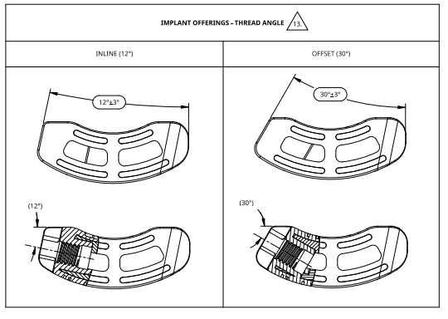

13 | Threads formed properly | Thread gage M4x0.7 | Pass/Fail | 1 | A1-3 | 100% |  |  | N/A

 | Inspection Tool | Equipment # | Cal Due Date |  | Lot Size | < 8 | 8 to 90 | 91 to 150 | 151 to 280 | 281 to 500 | Over 500
 | Calipers
 | Keyence |  |  |  | 1.5 AQL Sample Size* | 100% | 8 | 12 | 19 | 21 | Contact QA
 | Thread gage M4x0.7

 |  |  |  |  | *All AQL sampled parts must meet acceptance criteria or 100% inspection is required.

 | _________________________________________________________________
 | Inspected by:

 | Form Revision History (F-825-144)
 | Rev | DCO # | Effective Date | Description of Change
 | J | 25-079 | 28Jul2025 | Update to the new Rev 15 per customer's drawing, update to the new format

 | Template Revision History (F-825-1000)
 | Rev | DCO # | Effective Date | Description of Change
 | C | 25-051 | 21Apr2025 | Updated doc title, generally updated field sizing/locations, added SpiTrex 3D logo, added Inspection Record field, clarified instructional notes, added ID column, added "or 100%" to AQL heading, added Measurement Sheet, added rev history for forms, moved template number to footer
 | B | 25-033 | 19Mar2025 | Removal of the second signature, removal of the process control tolerance
 | A | 23-054 | 23Jul2023 | Initial Release with new numbering system (F-825-1XXX and F-825-2XXX)

